Cover


 | Statistics on Services Trade by Enterprise Characteristics

 | STEC

 | July 2026

User information
User information

 | Three buttons are available in the following worksheets. You can select a country / group of countries, the reporting year and the trade direction in these cells. To do this, activate the corresponding cell (see screenshot). Now click on the arrow to the right of the cell and select the parameters using the drop-down list.

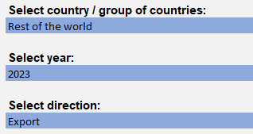

 | Reproduction permitted only if source is stated.

