Cover


 | Statistics on Services Trade by Enterprise Characteristics

 | STEC

 | August 2025

User information
User information

 | The worksheets “enterprise size” and “type of control” can be individualised by group of countries, reporting year and trade direction. Use the arrow to the right of the marked cells to select the desired values from a drop-down list:

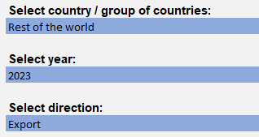

 | Reproduction permitted only if source is stated.

