Cover


 | Statistics on Services Trade by Modes of Supply

 | MOS

 | March 2026

User information
User information

 | Two buttons are available in the following worksheet. You can select country / group of countries or the reporting year in these. To do this, activate the corresponding cell (see screenshot). Now click on the arrow to the right of the cell and select the parameters using the drop-down list.

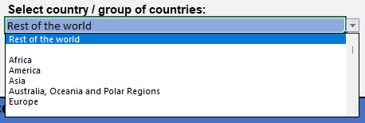

 | Reproduction permitted only if source is stated.

