Cover


 | Statistics on Services Trade by Modes of Supply

 | MOS

 | August 2025

User information
User information

 | The “Modes of Supply” worksheet can be individualised by country / group of countries and by reporting year. Use the arrow to the right of the marked cells to select the desired values from a drop-down list:

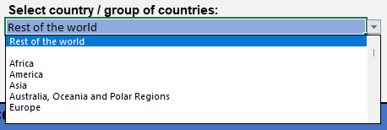

 |  | At present, only data for the 2023 reporting year are available.

 | Reproduction permitted only if source is stated.

